Welcome
Types of Sites:
Piece Allowance Site Allow 4 weeks to set-up site
Credit Card Site
Allow 2 weeks to set-up site
Purchase Order Site
Allow 4 weeks to set-up site
Shipping Prices
Credit Card and Purchase Orders
Subtotal 0-$25 = $5.95
Subtotal $25-$50 = $7.95
Subtotal $50-$75 = $9.95
Subtotal $75+ = Free shipping
Piece Allowance Orders
1 piece = $5.95
2-3 pieces = $7.95
4 pieces = $9.95
5+ pieces = Free shipping
Returns (except for Medline error) = customer responsibility
 | SuiteStyles Set-Up Request Form Please send your completed form to sseditreq@medline.com
 | Facility & Set-Up Information
 | Type of Site |  | Date Submitted
 | Sales Rep Name |  | Sales Rep Number
 | Customer Name |  | Medline Account Number
 | Scope of Opportunity (This information can help us prevent backorders)
 | Is Customer Tax Exempt? |  | Number of Employees
 | Name of Departments |  | Number of Employees in Each Department
 | How Many Garment(s) Per Employee?
 | Other Comments or Special Directions
 | Optional
 | Uniform Policy: | If you have a facility uniform policy, please attach a word doc/pdf & email sseditreq@medline.com
 | Home Page Logo & Facility Image: | If you want to use your own images on the homepage, send image(s) as attachment(s) to sseditreq@medline.com
 | Please Note: | If you have specific requests for shipping, embroidery, pricing, site functionality, or anything else, please let us know by emailing sseditreq@medline.com.

Piece Allowance
Credit Card
Purchase Order

Items and Pricing
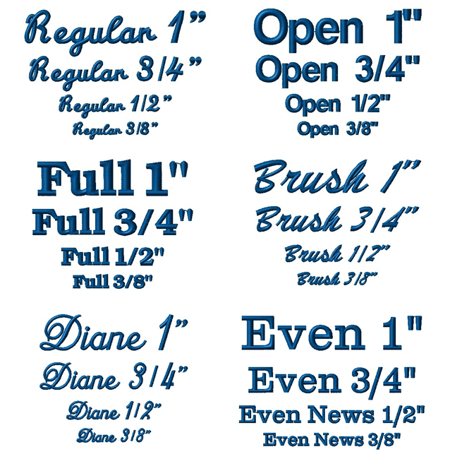
Required Fields |  |  |  | Optional Fields
SKU | Category Name | Price | Is Logo Required? | Logo Code | Logo Location | Text Location | Text Font | Text Size | Text Color | Number of Lines
600NTHS-CM | Medical Assistant | 8.95 | Yes | HG4560 | ULC - Upper Left Chest | ULC - Upper Left Chest | Regular | 3/4" | White | 2
Items and Pricing
1. All SKUs/item numbers MUST be added here 2. Each SKU must have Category assigned to it, if multiple categories have the same SKU, list them as well 3. Embroidery charges should NOT be included in price
Logo and Text Options Logo Locations: ULC - Upper Left Chest URC - Upper Right Chest Text Font: Regular Script, Full Block, Diane Script, Open, Brush Script, Evening News
Text Locations: ULC - Upper Left Chest URC - Upper Right Chest Text Size: 1" - 10 Characters
3/4"- 15 Characters
1/2" - 20 Characters
3/8" - 30 Characters

