Welcome
Types of Sites:
Piece Allowance Site Allow 1 week to complete the edit
Credit Card Site
Allow 1 week to complete the edit
Purchase Order Site
Allow 1 week to complete the edit
SuiteStyles EDITS Request Form Please send your completed form to sseditreq@medline.com
Help us locate the correct account for edits
Type of Site | Date Submitted
Sales Rep Name | Sales Rep Number
Customer Name | SuiteStyle Acount Number
Please briefly explain what changes you need done?

Ading Items and Pricing
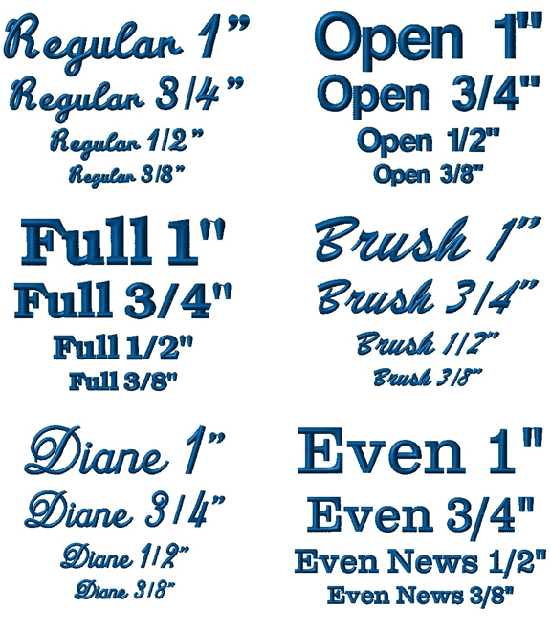
Adding Items & Pricing |  |  |  | Optional Fields
SKU | Category Name | Price | Is Logo Required? | Logo Code | Logo Location | Text Location | Text Font | Text Size | Text Color | Number of Lines
600NTHS-CM | Medical Assistant | 8.95 | Yes | HG4560 | ULC - Upper Left Chest | ULC - Upper Left Chest | Regular | 3/4" | White | 2
Items and Pricing
1. All SKUs/item numbers MUST be added here 2. Each SKU must have Category assigned to it, if multiple categories have the same SKU, list them as well 3. Embroidery charges should NOT be included in price
Logo and Text Options Logo Locations: ULC - Upper Left Chest URC - Upper Right Chest Text Font: Regular Script, Full Block, Diane Script, Open, Brush Script, Evening News
Text Locations: ULC - Upper Left Chest URC - Upper Right Chest Text Size: 1" - 10 Characters
3/4"- 15 Characters
1/2" - 20 Characters
3/8" - 30 Characters

